Sheet1
 |  | Mix 3214
Ean No. | Brand | Description |  | Size | Gender | QTY | Price | Your Price | Retail Price
3605522041486 | Armani | Because It's You Women | Edp sp | 100 ml | Women | 880 | CHF 40.50 |  | CHF 169.00 | 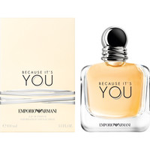
3605522040588 | Armani | Stronger With You Men | Edt sp | 100 ml | Men | 2000 | CHF 40.60 |  | CHF 122.00 |  | Next delivery on Oct.
3607340213267 | Calvin Klein | Beauty | Edp sp | 100 ml | Women | 1400 | CHF 21.50 | CHF 34.90 | CHF 71.95 | 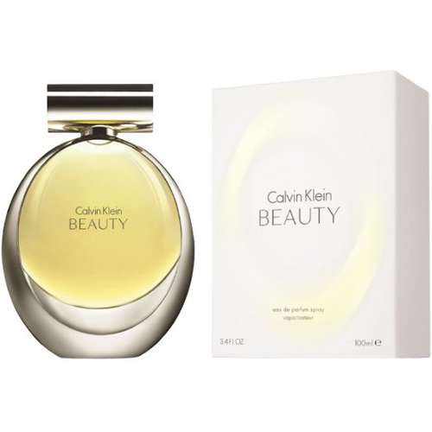
88300104680 | Calvin Klein | CK Be | Edt sp | 50 ml | Men | 1500 | CHF 11.30 | (29.90 CHF for 100 ml) | CHF 62.90 | 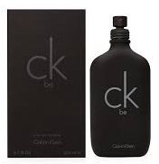
27131261612 | Estee Lauder | Modern Muse | Edp sp | 50 ml | Women | 600 | CHF 21.40 |  | CHF 129.00 | 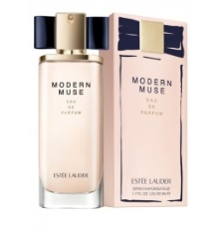
27131043317 | Estee Lauder | Pleasures | Edp sp | 100 ml | Women | 4000 | CHF 23.20 | (29.90 CHF for 30 ml) | CHF 154.90 | 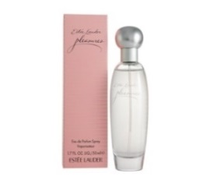
27131521433 | Estee Lauder | Pleasures Men | Edc sp | 100 ml | Men | 2000 | CHF 16.00 |  | CHF 97.95 | 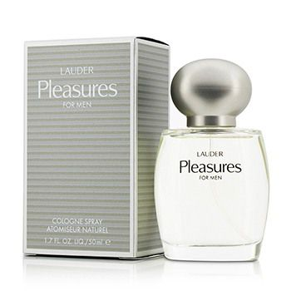
27131017752 | Estee Lauder | Youth Dew | Edp sp | 67 ml | Women | 2000 | CHF 13.80 |  | CHF 136.00 | 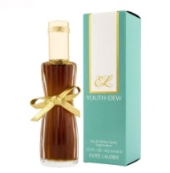
737052041247 | Hugo Boss | Femme | Edp sp | 30 ml | Women | 2200 | CHF 17.90 |  | CHF 83.00 | 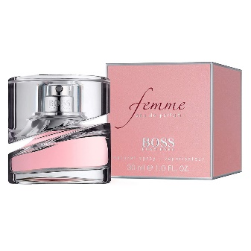
737052041285 | Hugo Boss | Femme | Edp sp | 50 ml | Women | 950 | CHF 21.00 | CHF 39.90 | CHF 112.95
3386460135818 | Mont Blanc | Explorer Platinum | Edp sp | 100 ml | Men | 2400 | CHF 27.30 | CHF 49.90 | CHF 117.90
3386460074827 | Mont Blanc | Legend Spirit | Edt sp | 100 ml | Men | 1000 | CHF 27.60 |  | CHF 109.90 | 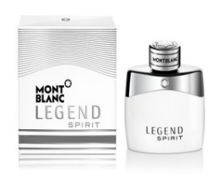
3386460113588 | Mont Blanc | Signature | Edp sp | 90 ml | Women | 1500 | CHF 29.90 |  | CHF 114.90 | 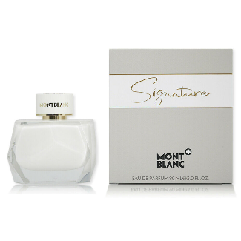
3386460132770 | Mont Blanc | Signature Absolue | Edp sp | 50 ml | Women | 2000 | CHF 17.50 |  | CHF 89.90
3386460132763 | Mont Blanc | Signature Absolue | Edp sp | 90 ml | Women | 2000 | CHF 23.60 |  | CHF 113.00 | 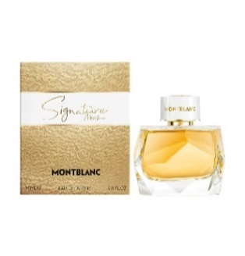
3349668568093 | Paco Rabanne | Olympea | Edp sp | 50 ml | Women | 2000 | CHF 38.30 | CHF 69.90 | CHF 124.90 | 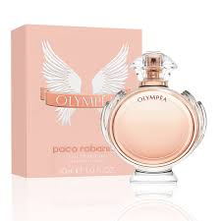
3349668021246 | Paco Rabanne | Paco Rabanne Pour Homme | Edt sp | 200 ml | Men | 2400 | CHF 40.50 | (49.00 CHF for 100 ml) | (126.00 CHF for 100 ml) | 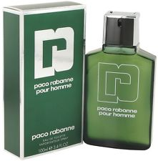
3349666006016 | Paco Rabanne | Ultrared Women | Edp sp | 80 ml | Women | 520 | CHF 20.60 |  | CHF 70.90 | 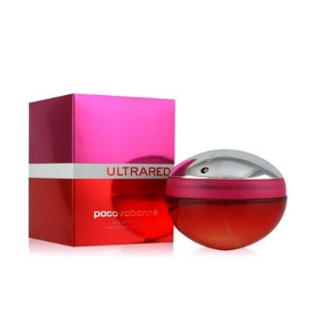
3349666010518 | Paco Rabanne | Ultraviolet Men | Edt sp | 100 ml | Men | 2200 | CHF 26.40 |  | CHF 139.00 | 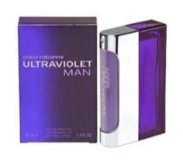
3349666010532 | Paco Rabanne | Ultraviolet Women | Edp sp | 80 ml | Women | 2200 | CHF 28.50 |  | CHF 159.00 | 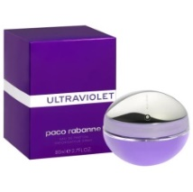
3349668576081 | Paco Rabanne | XS Pour Homme | Edt sp | 100 ml | Men | 1000 | CHF 26.10 | CHF 54.90 | CHF 115.00 | 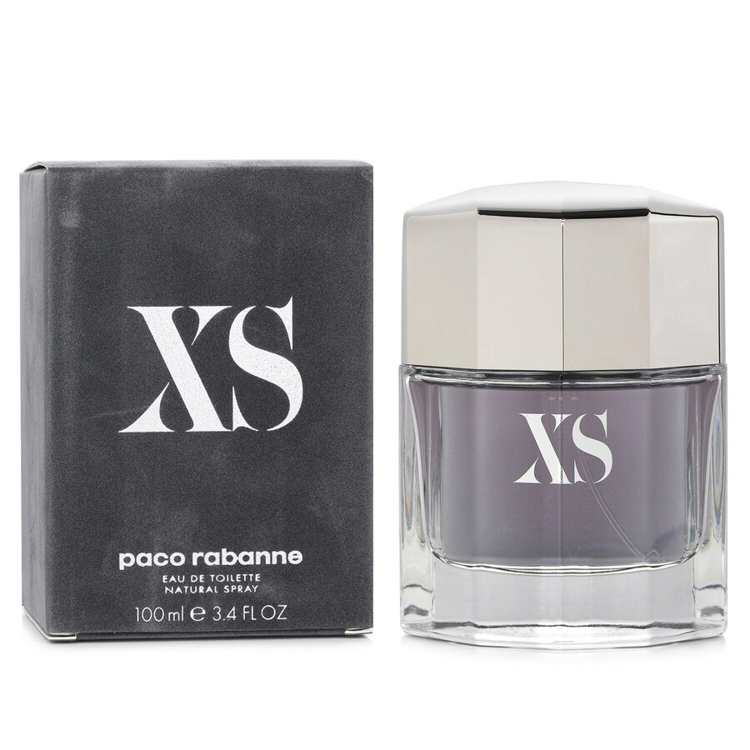
3349668555093 | Paco Rabanne | Black XS Women | Edp sp | 50 ml | Women | 2400 | CHF 31.60 |  | CHF 111.00
3614273478298 | Prada | Amber Homme | Edt sp | 100 ml | Men | 1500 | CHF 44.70 |  | CHF 147.90 | 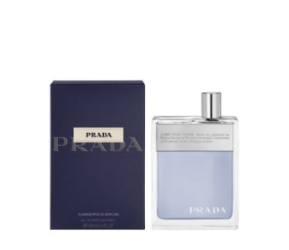
3614273760713 | Prada | Paradoxe | Edp sp | 30 ml | Women | 1500 | CHF 42.00 | CHF 64.90 | CHF 107.90
8011003996766 | Versace | Dreamer | Edt sp | 100 ml | Men | 1000 | CHF 24.30 |  |  | 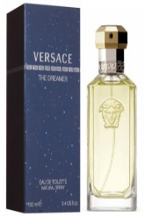
8011005995967 | Versace | Pour Homme | Edt sp | 100 ml | Men | 1000 | CHF 33.40 | (49.90 CHF for 50 ml) | CHF 128.00 | 